Overall Procedure
Based On my collection of data from www.kaggle.com on topic World Health Statistics, I have created separate excel for each category. Using that excel I have created tables. Since my data is for each country, I have created country table and used country ID as the Primary Key.I tried to clean up the data by removing empty values,duplicate values,invalid data.
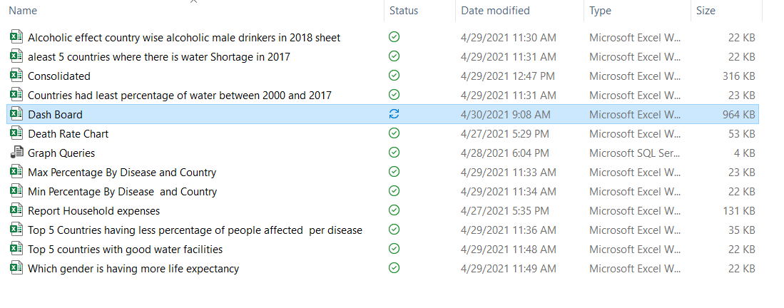
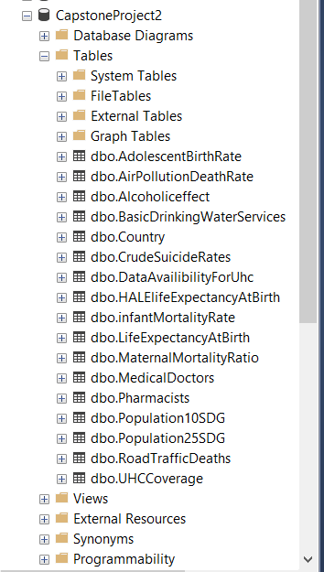

I have generated ER diagram to show the relationship with tables.For all tables countryID is the primary relation ship.Whereever countryID is not unique I have created unique keys as composite keys using combination of country ID with Year,Disease,gender.Then I tried to categorise tables by birth rate,health,Death Rate,HouseHold expenses,disease and represented those relationships in ER diagrams as separate entities.

I generated the reports using these queries with power query in excel

ER Diagram
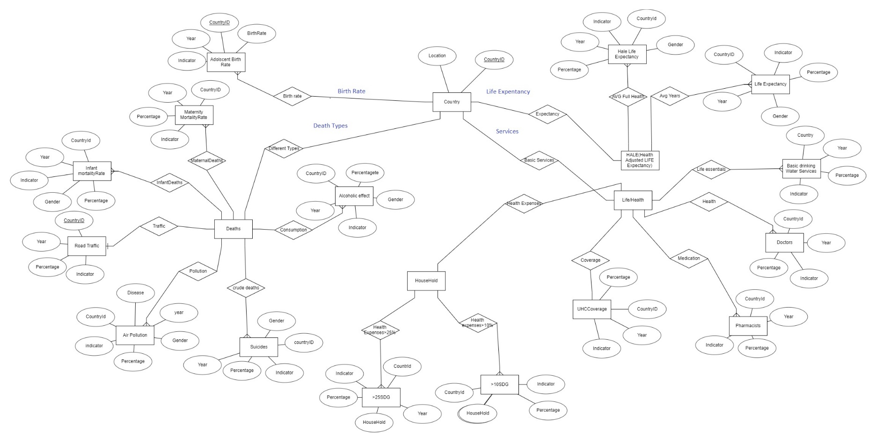
ER DIAGRAM

SQL QUESTIONS
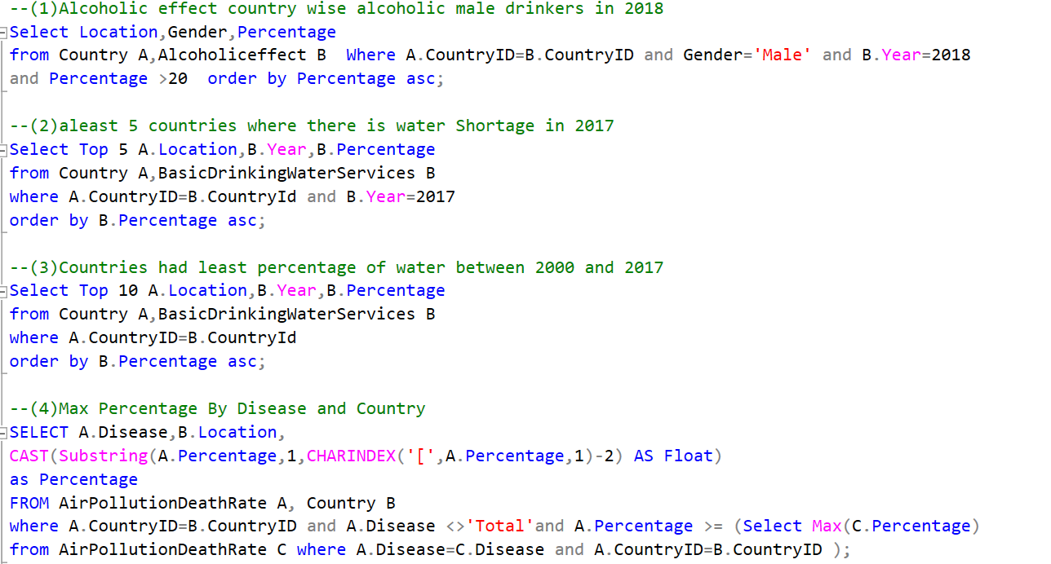

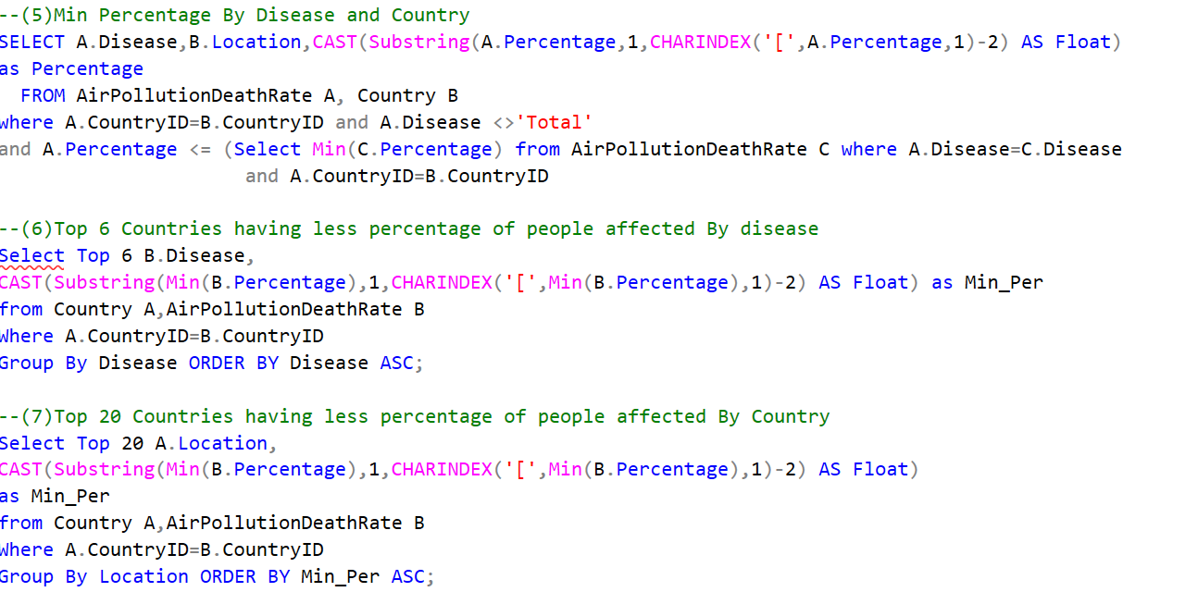

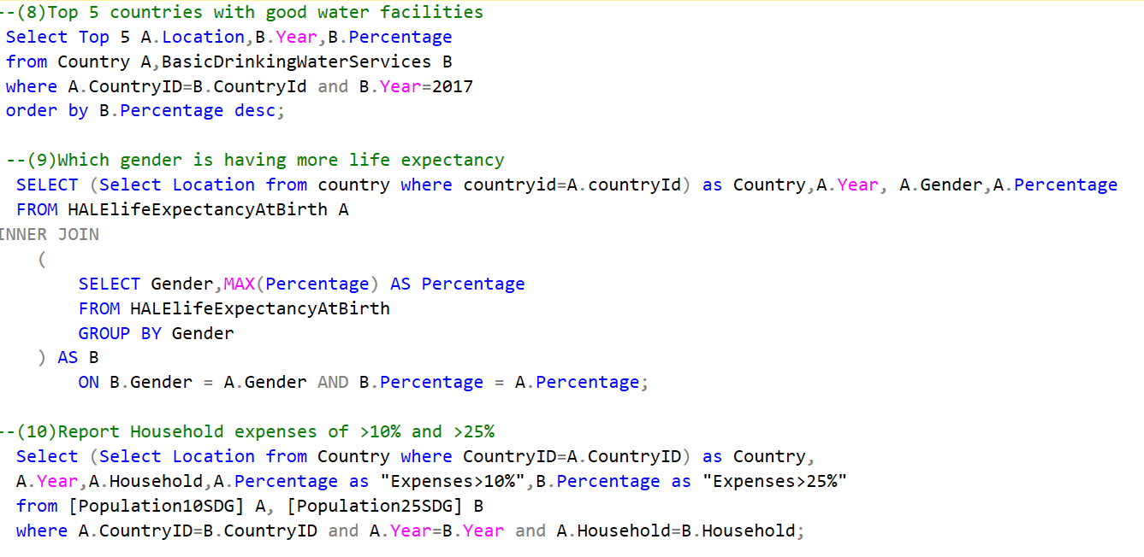

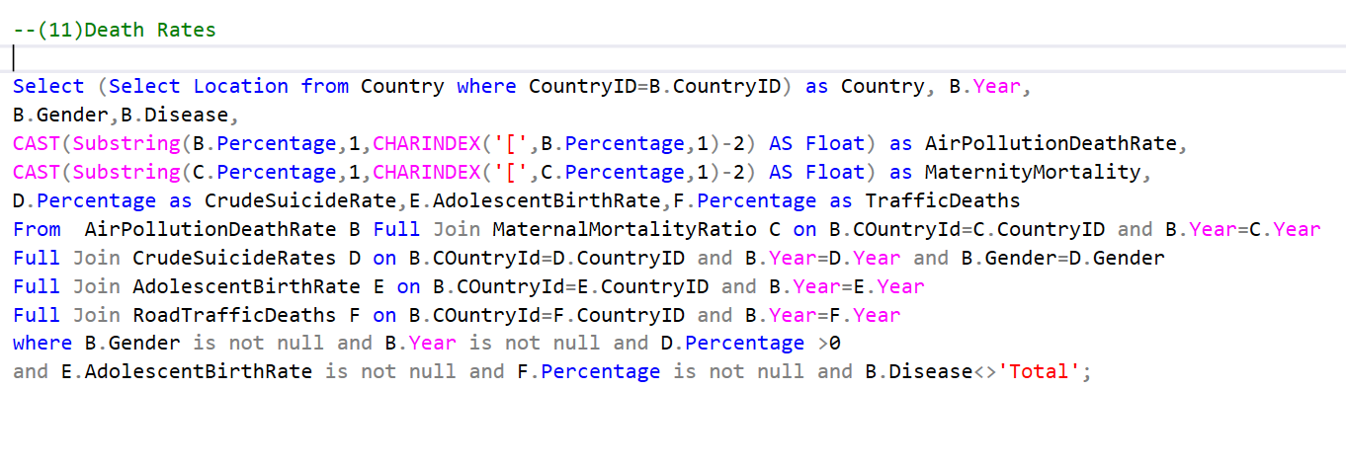

Dash board1
WORLD HEALTH STATISTICS

Death Rate Chart
 | Sum of AirPollutionDeathRate | Sum of MaternityMortality | Sum of CrudeSuicideRate | Sum of AdolescentBirthRate | Sum of TrafficDeaths
Chronic obstructive pulmonary disease | 6.47 | 6 | 0.2 | 18 | 8.4
Ischaemic heart disease | 13.49 | 6 | 0.2 | 18 | 8.4
Lower respiratory infections | 8.22 | 6 | 0.2 | 18 | 8.4
Stroke | 5.23 | 6 | 0.2 | 18 | 8.4
Total | 38.66 | 6 | 0.2 | 18 | 8.4
Trachea, bronchus, lung cancers | 5.23 | 6 | 0.2 | 18 | 8.4
Report Household expenses of >10% and >25%
 | Sum of Expenses>25% | Sum of Expenses>10%
2010 | 0.5 | 3.71

Dash board 2
WORLD HEALTH STATISTICS

Top 5 Countries with Good water Facilities
 | Percentage
Andorra | 100
Armenia | 100
Australia | 100
Austria | 100
Bahrain | 100
Top 5 countries Water Shortage in 2017
 | Percentage
Democratic Republic of the Congo | 22.83
Angola | 27.44
Somalia | 28.11
Chad | 29.47
Equatorial Guinea | 30.78
Countries had least percentage of water between 2000 and 2017
 | Year | Percentage
Mozambique | 2003 | 10.13
Somalia | 2003 | 10.2
Ethiopia | 2001 | 10.3
Ethiopia | 2002 | 11.94
Mozambique | 2004 | 12.17
Somalia | 2004 | 12.18
Ethiopia | 2003 | 13.54
Somalia | 2005 | 13.88
Mozambique | 2005 | 14.23
Ethiopia | 2004 | 15.08
Max Percentage By Disease and Country
 | Percentage
Myanmar | 9.86
Niger | 98.39
Papua New Guinea | 9.98
Sierra Leone | 99.29
South Africa | 9.97

Min Percentage By disease and country
 | Percentage
Canada | 0.83
Finland | 0.069
Finland | 0.29
France | 10.02
Niger | 0.12
Top 5 Countries having less percentage of people affected per disease
 | Min_Per
Chronic obstructive pulmonary disease | 0.29
Ischaemic heart disease | 10.02
Lower respiratory infections | 0.069
Stroke | 0.83
Trachea, bronchus, lung cancers | 0.12
Which gender is having more life expectancy
Male | 72.64
M/F | 74.09
Female | 75.48
Alcoholic effect country wise alcoholic male drinkers in 2018
 | Percentage
Male | 20.07
Male | 20.17
Male | 20.17
Male | 20.92
Male | 21.29
Male | 22.28
Male | 24.62
Male | 31.96

HouseHold
Report Household expenses of >10% and >25%
Row Labels | Sum of Expenses>25% | Sum of Expenses>10%
Australia | 0.5 | 3.71
Total | 0.5 | 3.71
2010 | 0.5 | 3.71
Grand Total | 0.5 | 3.71

Death Rate
Row Labels | Sum of AirPollutionDeathRate | Sum of MaternityMortality | Sum of CrudeSuicideRate | Sum of AdolescentBirthRate | Sum of TrafficDeaths
Israel | 77.3 | 36 | 1.2 | 108 | 50.4
2016 | 77.3 | 36 | 1.2 | 108 | 50.4
M/F | 77.3 | 36 | 1.2 | 108 | 50.4
Chronic obstructive pulmonary disease | 6.47 | 6 | 0.2 | 18 | 8.4
Ischaemic heart disease | 13.49 | 6 | 0.2 | 18 | 8.4
Lower respiratory infections | 8.22 | 6 | 0.2 | 18 | 8.4
Stroke | 5.23 | 6 | 0.2 | 18 | 8.4
Total | 38.66 | 6 | 0.2 | 18 | 8.4
Trachea, bronchus, lung cancers | 5.23 | 6 | 0.2 | 18 | 8.4
Grand Total | 77.3 | 36 | 1.2 | 108 | 50.4

Death Rate Chart

